Sheet1
Ahmad Danial Zainudin, MSc, MSTA, CFTe
60 (3) 2082 6904
ahmaddanial.za@maybank-ib.com
ACTIVE MONTH | COMEX Gold February 2020 |  |  |  |  |  | 2020-02-13
First Notice Day 31st January 2020

Gold advanced on demand for haven assets as the Chinese province at the center of the coronavirus epidemic reported a surge in new cases after revising the method for counting infections, blunting investors’ optimism that the outbreak may be on the wane.
Some risk-off sentiment returned to markets, with Asian equities dipping and futures on the S&P 500 dropping after the index hit a record on Wednesday. The death toll in China rose to at least 1,355 as the number of fatalities in Hubei more than doubled to 242 for Feb. 12. The province said there were almost 15,000 new cases after it revised data to include “clinically diagnosed” cases.
The International Monetary Fund said it is collecting data to assess the impact of the outbreak in China, and hopes to see a V-shaped recovery despite considerable uncertainty surrounding the situation.
The Federal Reserve will be forced to use large-scale asset purchases “aggressively” in a downturn, Chairman Jerome Powell told U.S. lawmakers, as central bankers confront the dilemma of persistently low interest rates.
Thursday sees a gauge of underlying U.S. inflation, the core consumer price index. It is forecast to increase to 0.2% in January.
Highlights
 |  |  |  |  | COMEX Gold's Market Movers
 |  |  |  |  |  |  | Close | % Change
 |  |  |  |  | DJIA |  | 29551.42 | 0.94
 |  |  |  |  | NYMEX Crude Oil |  | 51.13 | -0.08
 |  |  |  |  | Dollar Index |  | 98.98 | -0.07
 |  |  |  |  | Spot Gold |  | 1574.82 | 0.56

 |  |  |  |  | Key Economic Data
CPI MoM 9.30pm
Initial Jobless Claims 9.30pm

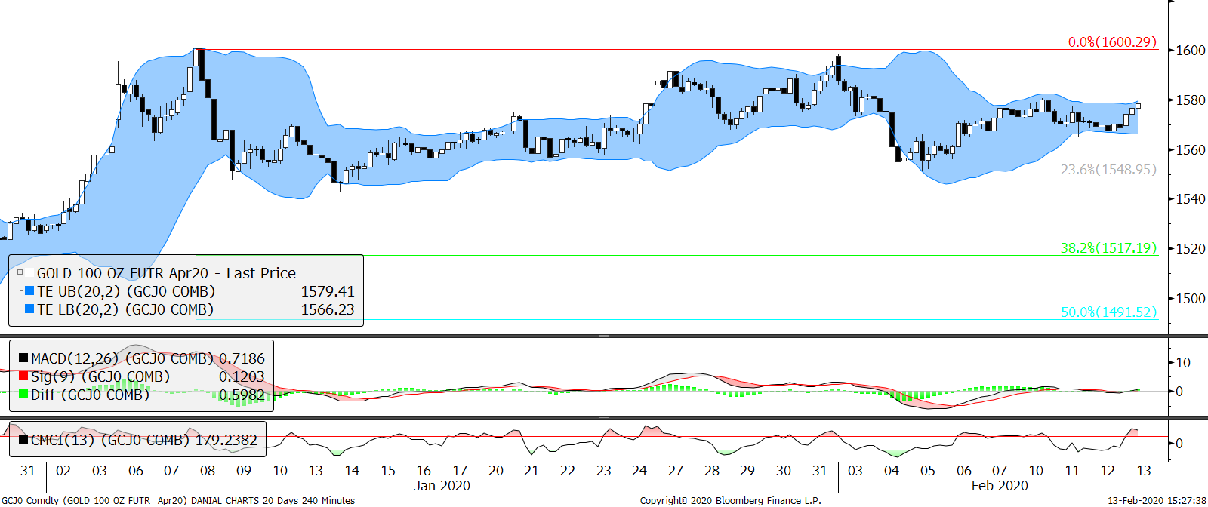
Technical Section
 |  |  |  |  | Pivot Values

 |  |  |  |  | 3rd Resistance |  | 1,588.2
 |  |  |  |  | 2nd Resistance |  | 1,579.0
 |  |  |  |  | 1st Resistance |  | 1,575.3
 |  |  |  |  | Last price |  | 1,571.6
 |  |  |  |  | 1st Support |  | 1,566.1
 |  |  |  |  | 2nd Support |  | 1,560.6
 |  |  |  |  | 3rd Support |  | 1,551.4

 |  |  |  |  | Intraday Outlook
 |  |  |  |  | Momentum |  | Trend
 |  |  |  |  | UP |  | UP
 |  |  |  |  | Aggregate Open Interest
 |  |  |  | #N/A | Previous |  | Latest
 |  |  |  |  | 657,956 |  | 656,898
SMA 5 Days | SMA 20 Days | SMA 100 Days | RSI |  | Upper Bollinger |  | Lower Bollinger
1,574.54 | 1572.79 | 1,519.86 | 57.82 |  | 1591.37 |  | 1554.21

Fundamental analysis are based on conclusive assessment of time varying key market movers. While technical analysis use a 4-hour chart to analyse the potential movement for intraday trading.
Gold make a surprise surge but still stuck a range. Buyers are expecting U.S. jobs report tonight to hoist firmer bull flag for gold to aim breaking its next resistance.
40.71491
3002.653
2535.347

WARNING: TRADING IN FUTURES IS HIGHLY LEVERAGED AND CARRIES A HIGH DEGREE OF RISK WHICH MIGHT NOT BE SUITABLE FOR THE GENERAL PUBLIC. INVESTORS SHOULD CONSIDER WHETHER SUCH TRADING IS APPRORIATE IN LIGHT OF THEIR EXPERIENCE, OBJECTIVES, FINANCIAL RESOURCES AND OTHER RELEVANT FACTORS BEFORE COMMENCEMENT. The materials, information and functions provided in this report shall not under any circumstances be considered or construed as an offer or solicitation to sell, buy, give, take, issue, allot or transfer, or as the giving of any advice in respect of shares, stocks, bonds, notes, interests, unit trusts, mutual funds or other securities, investments, loans, advances, credits or deposits in any jurisdiction.

WARNING: TRADING IN FUTURES IS HIGHLY LEVERAGED AND CARRIES A HIGH DEGREE OF RISK WHICH MIGHT NOT BE SUITABLE FOR THE GENERAL PUBLIC. INVESTORS SHOULD CONSIDER WHETHER SUCH TRADING IS APPRORIATE IN LIGHT OF THEIR EXPERIENCE, OBJECTIVES, FINANCIAL RESOURCES AND OTHER RELEVANT FACTORS BEFORE COMMENCEMENT
The materials, information and functions provided in this report shall not under any circumstances be considered or construed as an offer or solicitation to sell, buy, give, take, issue, allot or transfer, or as the giving of any advice in respect of shares, stocks, bonds, notes, interests, unit trusts, mutual funds or other securities, investments, loans, advances, credits or deposits in any jurisdiction

